Assignment 1
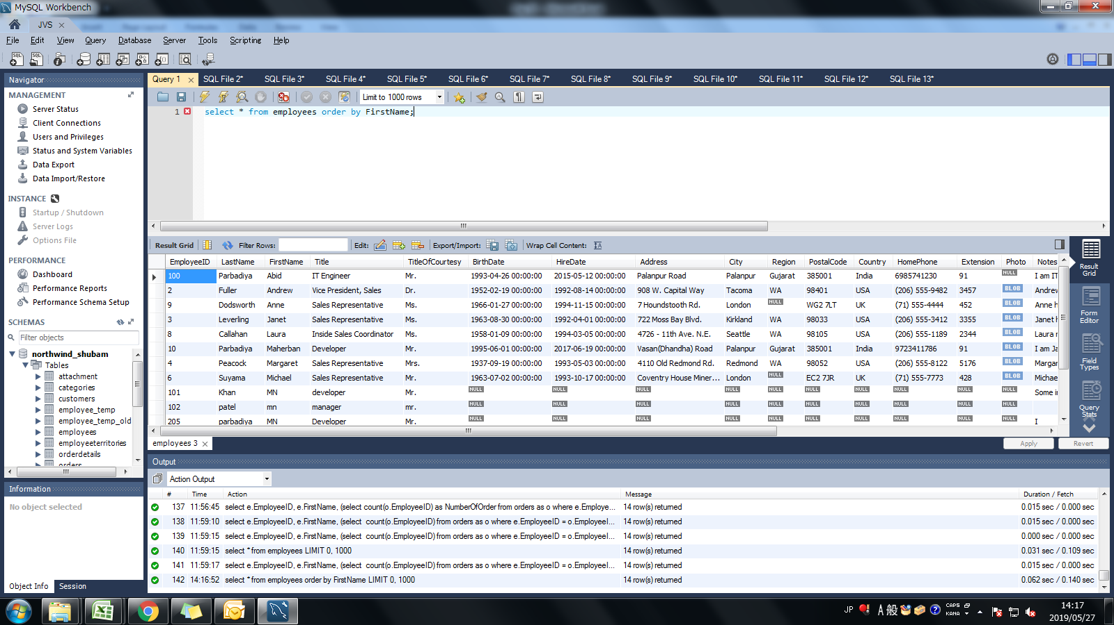
Assignment: | Sort the employee table by firstname of the employee.

Query: | select * from employees order by FirstName;

Screen Shoot:

Assignment 2

Assignment: | Sort the employee table by firstname and lastname of the employee.

Query: | select * from employees order by FirstName, LastName;

Screen Shoot:

Assignment 3
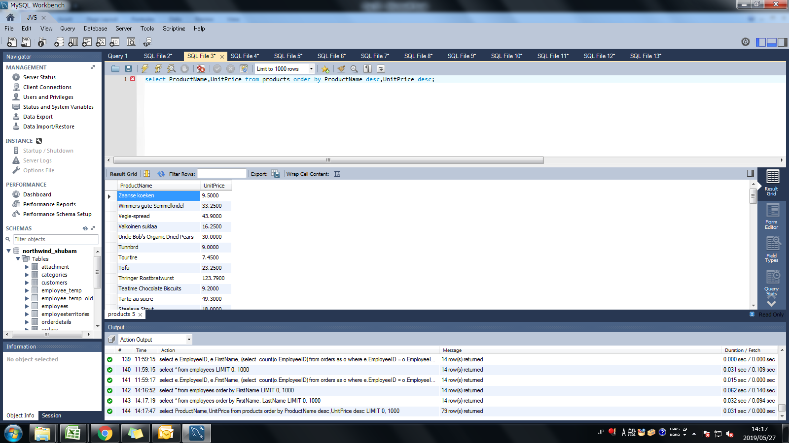
Assignment: | Select both productname and unitprice from products table in descending order.

Query: | select ProductName,UnitPrice from products order by ProductName desc,UnitPrice desc;

Screen Shoot:

Assignment 4
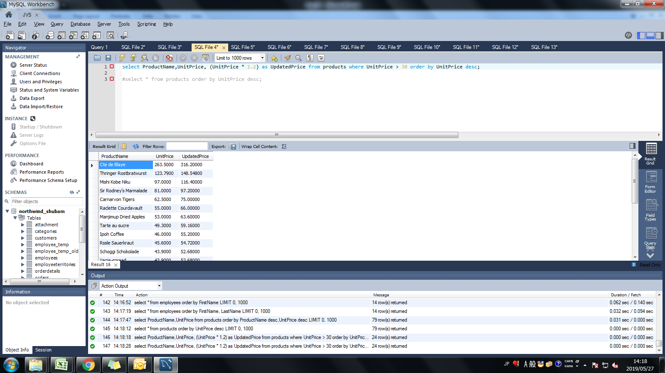
Assignment: | Display product name, unit price, and a 20% increase in the unit price for only those products for which the percentage increase in unit price is greater than 30 and in descending order of the increased price.

Query: | select ProductName,UnitPrice, (UnitPrice * 1.2) as UpdatedPrice from products where UnitPrice > 30 order by UnitPrice desc;

Screen Shoot:

Assignment 5
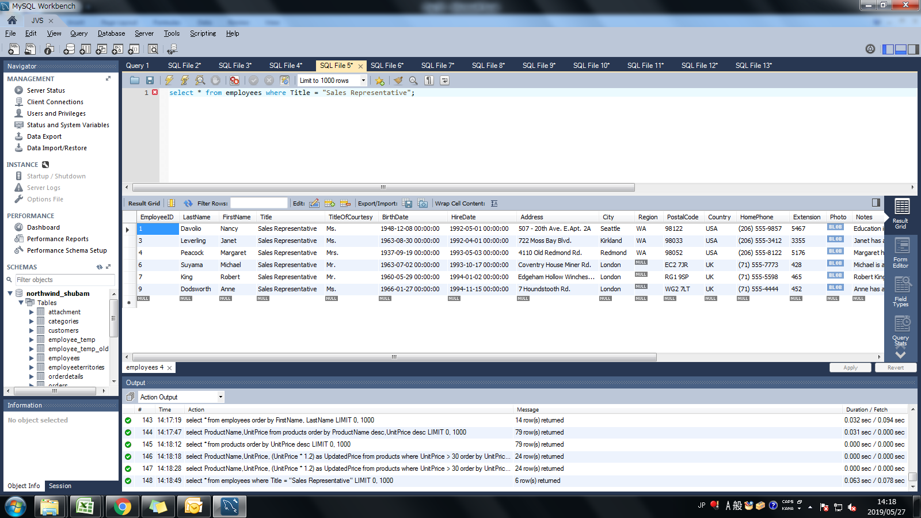
Assignment: | Display number of employees with "Sales Representative" title.

Query: | select * from employees where Title = "Sales Representative";

Screen Shoot:

Assignment 6
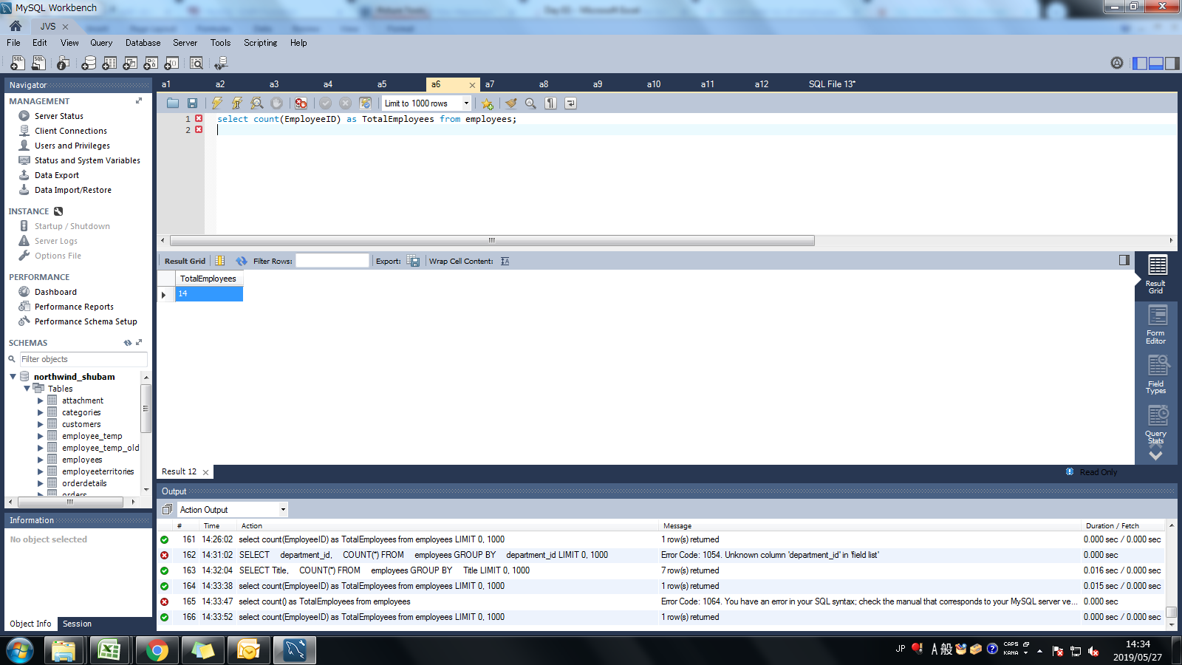
Assignment: | Display total number of employees in all the department.

Query: | select count(EmployeeID) as TotalEmployees from employees;

Screen Shoot:

Assignment 7
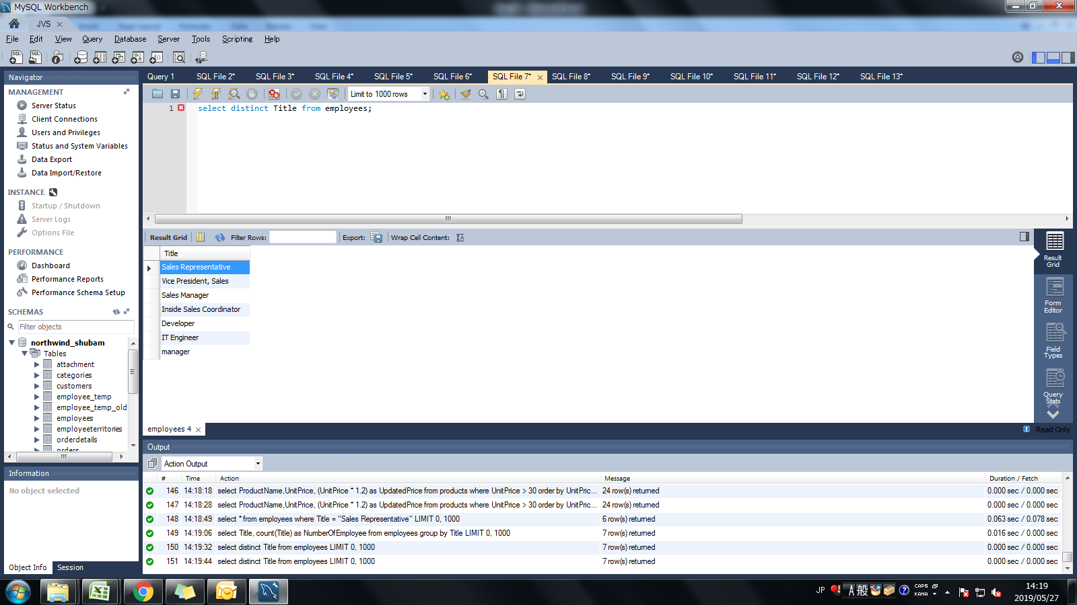
Assignment: | Select all distinct titles from employee table.

Query: | select distinct Title from employees;

Screen Shoot:

Assignment 8
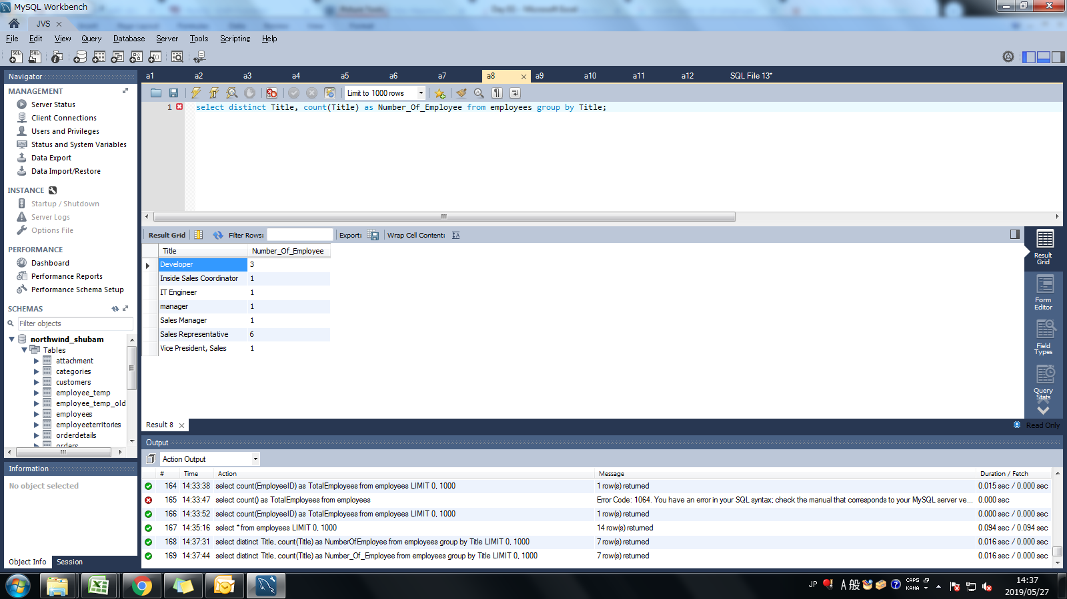
Assignment: | Get the count of employees with unique title.

Query: | select distinct Title, count(Title) from employees group by Title;

Screen Shoot:

Assignment 9
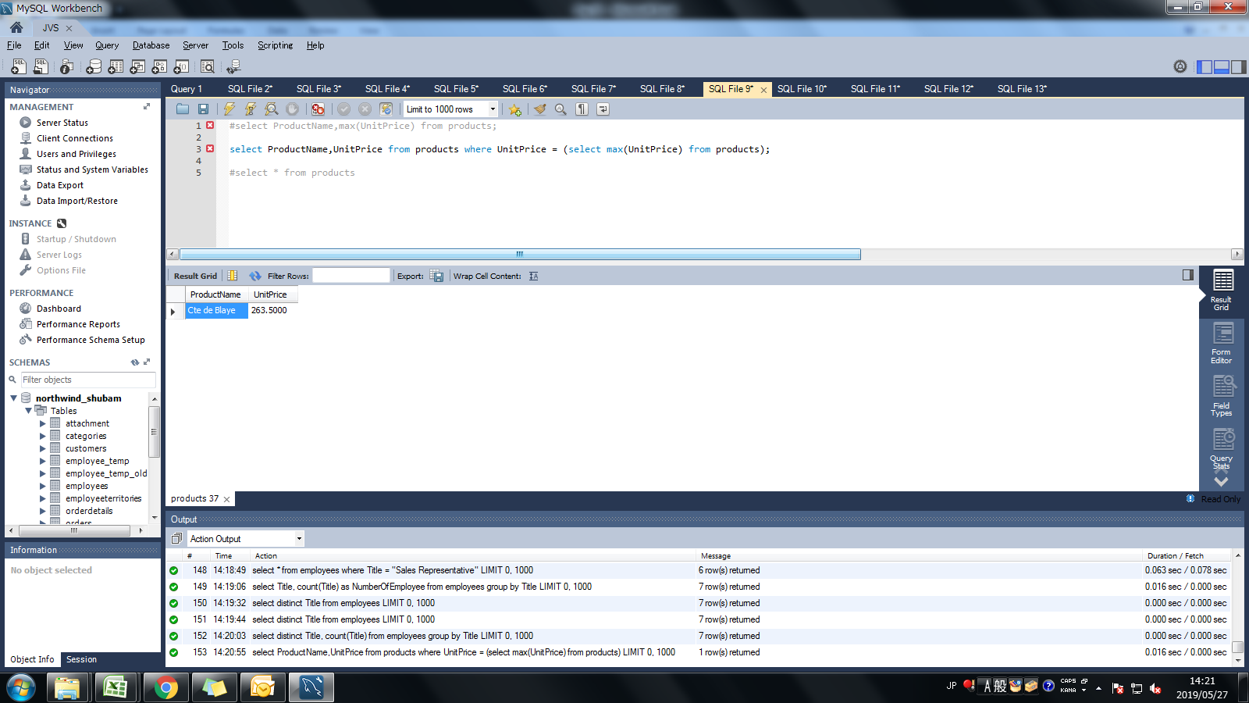
Assignment: | Get the most expensive product.

Query: | select ProductName,UnitPrice from products where UnitPrice = (select max(UnitPrice) from products);

Screen Shoot:

Assignment 10
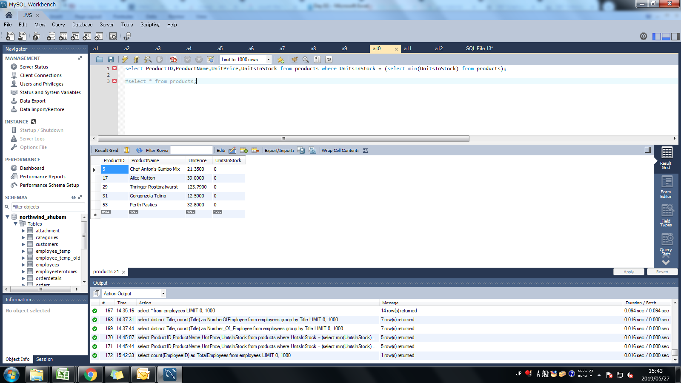
Assignment: | Get the product with minimum stock.

Query: | select ProductID,ProductName,UnitPrice,UnitsInStock from products where UnitsInStock = (select min(UnitsInStock) from products);

Screen Shoot:

Assignment 11
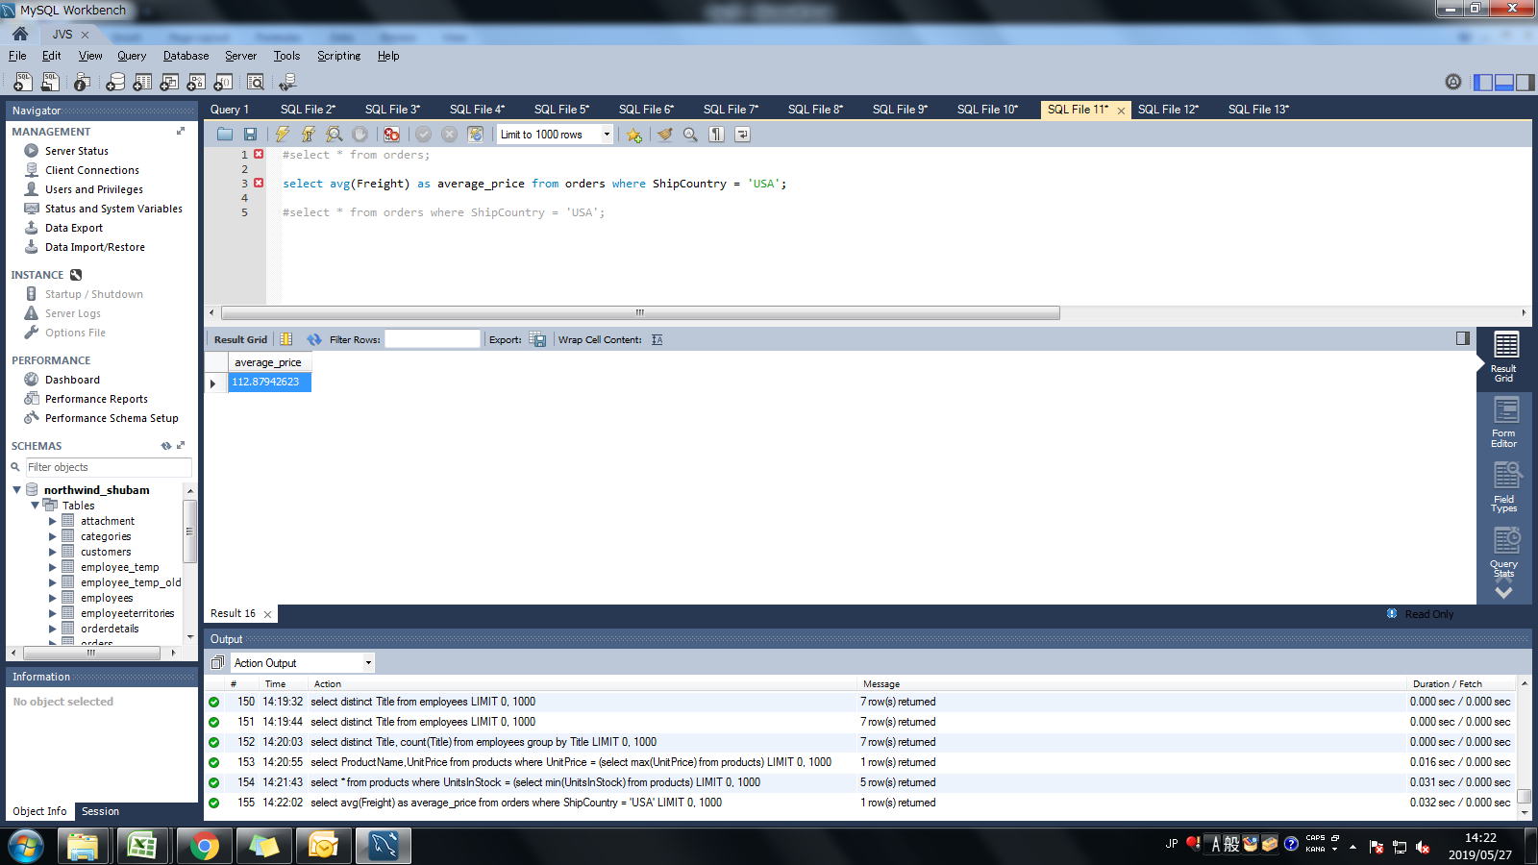
Assignment: | Get the average freight price for all the orders shipped to ShipCountry USA

Query: | select avg(Freight) as average_price from orders where ShipCountry = 'USA';

Screen Shoot:

Assignment 12
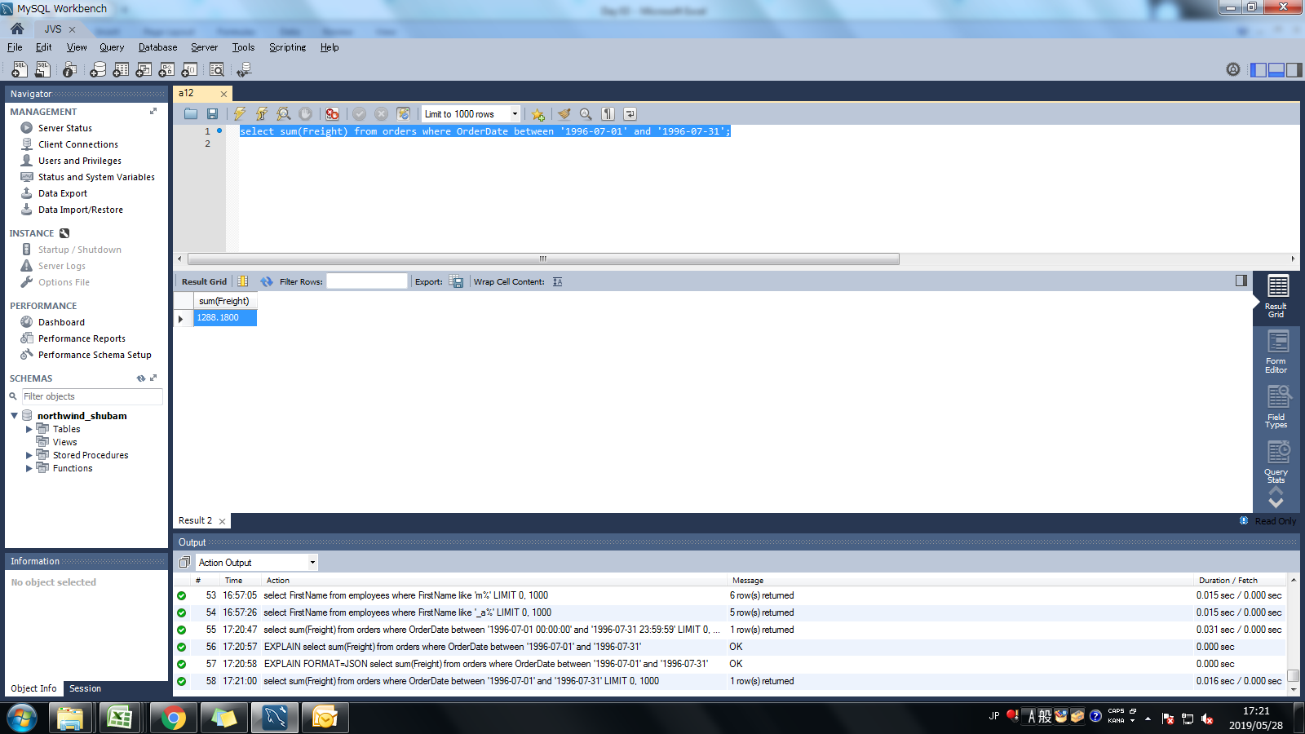
Assignment: | Get total freight expense in July 1996

Query: | select sum(Freight) from orders where OrderDate between '1996-07-01' and '1996-07-31';

Screen Shoot:

